About
BFPaT BAU Pretax Fuel Price by Sector | California | 2021-06-01 |  |  |  | Alabama | AL |  | National level
BFPaT BAU Fuel Tax by Sector | CA |  |  |  |  | Alaska | AK |  | Region level
 |  |  |  |  |  | Arizona | AZ |  | State level
Natural gas/coal prices are at the… | State level | Remember to re-export CSVs!! |  |  |  | Arkansas | AR
Sources: | Most start year prices |  |  |  |  | California | CA
 | Energy Information Administraton |  |  |  |  | Colorado | CO
 | 2020 |  |  |  |  | Connecticut | CT
 | State Energy Data System (SEDS): 1960-2019 (complete) |  |  |  |  | Delaware | DE
 | https://www.eia.gov/state/seds/archive/seper2019.pdf |  |  |  |  | Florida | FL
 |  |  |  |  |  | Georgia | GA
 | Electricity |  |  |  |  | Hawaii | HI
 | California Energy Commission
 | 2021
 | Integrated Energy Policy Report
 | California Energy Demand Forecast, 2021 - 2035 Baseline Forecast - Mid Demand Case
 | https://www.energy.ca.gov/data-reports/reports/integrated-energy-policy-report/2021-integrated-energy-policy-report
 | https://www.energy.ca.gov/data-reports/reports/integrated-energy-policy-report/2021-integrated-energy-policy-report/2021-1

 | Most growth rates
 | Energy Information Administration |  |  |  |  | Louisiana | LA
 | 2020 |  |  |  |  | Maine | ME
 | Annual Energy Outlook |  |  |  |  | Maryland | MD
 | https://www.eia.gov/outlooks/archive/aeo20/ |  |  |  |  | Massachusetts | MA
 | Particularly, the Pacific region version of the Reference case |  |  |  |  | Michigan | MI
 | https://www.eia.gov/outlooks/aeo/data/browser/#/?id=17-AEO2020&region=1-9&cases=ref2020 |  |  |  |  | Minnesota | MN
 |  |  |  |  |  | Mississippi | MS
 | Short run energy outlook |  |  |  |  | Missouri | MO
 | Energy Information Administration |  |  |  |  | Montana | MT
 | 2020 |  |  |  |  | Nebraska | NE
 | Short run energy outlook - accessed August 15, 2021 |  |  |  |  | Nevada | NV
 | https://www.eia.gov/outlooks/steo/ |  |  |  |  | New Hampshire | NH
 |  |  |  |  |  | New Jersey | NJ
 | biofuels |  |  |  |  | New Mexico | NM
 | DOE Alternative Fuels Data Center |  |  |  |  | New York | NY
 | 2020 |  |  |  |  | North Carolina | NC
 | Clean Cities Alternative Fuel Price Report series |  |  |  |  | North Dakota | ND
 | https://afdc.energy.gov/fuels/prices.html |  |  |  |  | Ohio | OH
 | April 2021 was most recent quarterly report available |  |  |  |  | Oklahoma | OK
 | https://afdc.energy.gov/files/u/publication/alternative_fuel_price_report_april_2021.pdf |  |  |  |  | Oregon | OR
 | heat |  |  |  |  | Pennsylvania | PA
 | Euroheat & Power |  |  |  |  | Rhode Island | RI
 | n/a |  |  |  |  | South Carolina | SC
 | DHC & Statistics: United States |  |  |  |  | South Dakota | SD
 | http://www.euroheat.org/United-States-156.aspx |  |  |  |  | Tennessee | TN
 | "Average District Heating price in 2011" (using "Steam" rather than "Water" because most U.S. district heating systems use steam) |  |  |  |  | Texas | TX
 |  |  |  |  |  | Utah | UT
 | hydrogen start year costs |  | hydrogen future costs |  |  | Vermont | VT
 | California Energy Commission and California Air Resources Board |  | Bloomberg New Energy Finance |  |  | Virginia | VA
 | 2015 |  | 2020 |  |  | Washington | WA
 | Assessment of Time and Cost Needed to Attain 100 Hydrogen Refueling Stations in California |  | Hydrogen Economy Outlook: Key Messages
 | https://ww2.energy.ca.gov/2015publications/CEC-600-2015-016/CEC-600-2015-016.pdf |  | https://data.bloomberglp.com/professional/sites/24/BNEF-Hydrogen-Economy-Outlook-Key-Messages-30-Mar-2020.pdf
 | Page 57, Table 12 |  | Page 5

 | lignite and non-lignite price multipliers
 | Energy Information Administration
 | 2019
 | Form EIA-923 detailed data
 | https://www.eia.gov/electricity/data/eia923/
 | Year 2018, Tab 5

 | State sales tax
 | SalesTaxHandbook.com
 | California sales tax info sheet
 | https://www.salestaxhandbook.com/pdf/datasheets/CaliforniaSalesTax.pdf

 | California Department of Tax and Fee Administration
 | https://www.cdtfa.ca.gov/taxes-and-fees/sales-tax-rates-for-fuels.htm
 | Sales Tax Rates for Fuels
 | Accessed 12 August 2021

Notes
Hydro, wind, solar, and geothermal do not have fuel cost. These sheets contain zeroes.
The LULUCF sector does not use fuel. (Agriculture fuel use is handled as part of Industry.)
Prices for fuels for the District Heating sector are assumed to be the same as the prices for those fuels for the Electricity
Sector, as both heat and electricity plants are run by utilities (and some CHP plants produce both heat and electricity).
The hydrogen supply sector uses the District Heating prices, and uses electricity, so we use electricity prices seen by
the Industry sector.

California Data Notes (August 2021)
Russia's military action against the Ukraine has caused crude oil, gasoline, and diesel prices to increase above the level reflected in AEO 2022 modeling.

The approach develop to adjust for this works as follows:
(1) Use recent empirical data
(2) Use the Short Term Energy Outlook (SEO) for the first segment of the price outlook for crude oil, gasoline, and diesel.
Use the AEO 2020 Pacific region y-o-y % changes for the second part of the price outlook

Several fuels are considered outside of the choice set, i.e. as unavailable, in the context of California regulation,
such as: nuclear and lignite.

Pre-Tax Prices |  |  |  |  |  | West Virginia | WV
This variable contains PRE-TAX fuel prices per unit energy, disaggregated by sector. |  |  |  |  |  | Wisconsin | WI
 |  |  |  |  |  | Wyoming | WY
BAU Fuel Taxes
Separately, it also specifies the amount of BAU fuel tax per unit energy that is levied on each fuel.
BAU fuel taxes include sales taxes, value-added taxes (VAT), and excise taxes, not carbon taxes.
If there is a BAU Carbon Tax in the modeled region, its effect on fuel prices must not be included here.
(A BAU carbon tax is specified separately in fuels/BCTR BAU Carbon Tax Rate.)

Tax rate projections have only been located for petroleum gasoline, petroleum diesel, and jet fuel.
Biofuel gasoline is taxed at the same rate as petroleum gasoline and biofuel diesel
is taxed at the same rate as petroleum diesel.
For all other fuels, we assume 0.075, reflecting California's sales tax rate before local adders.

BAU Fuel Subsidies
All pre-tax fuel prices in this variable should incorporate the contribution of any BAU subsidies.
This is because BAU subsidies are often applied far upstream of retail sales, such as subsidies for oil
and gas drilling companies. Similarly, subsidies paid for electricity generation
(such as a subsidy per MWh of electricity generated from wind)
and for capacity construction (such as a subsidy per MW of wind built) go to electricity suppliers upstream.
Therefore, the effects of these subsidies, insofar as they impact retail prices,
are already included in the reported fuel prices you are likely to find for any country or region.
(In the event you do have pre-subsidy fuel prices, you must subtract out the subsidy before entering
fuel price data in this variable, to reflect the pre-tax price seen by fuel purchasers.)

Municipal Solid Waste Prices
Rather than costing money, companies usually pay a "tipping fee" to the processor for accepting their
municipal solid waste. This would imply a negative fuel price. However, there may be extra expenses
associated with sorting the waste so that only suitable MSW is combusted, while other items (such as
electronics and batteries, which should not have been part of the MSW stream) don't get combusted. | million BTU / barrel (U.S.-produced crude)
For simplicity, we assume that the added processing costs of dealing with MSW offset the tipping fees, | million BTU / barrel (imported crude)
resulting in a fuel cost of zero. (This assumes MSW power plants get all their profit from selling power,
and they break even on the tipping fees.)

Energy unit conversions
https://www.eia.gov/energyexplained/units-and-calculators/ | BTU
 | 120286 |  | 120286
1 gallon gasoline | 137381 | 120286
1 gallon diesel | 5691000 | 137381
1 barrel of crude oil produce in US | 5,691,000
1 cubic foot of natural gas | 1037
1 therm | 100,000
Currency Year Adjustment
Historical Consumer Price Index for All Urban Consumers (CPI-U): U.S. city average, all items, index
averages — Continued
[1982-84=100, unless otherwise noted]
Year | Semiannual averages |  | Annual avg. | Percent change from previous |  | Multiply by to get 2012 Dollars
 | 1st half | 2nd half |  | Dec. | Annual avg.
1982............................................................................. . | – | – | 96.5 | 3.8 | 6.2
1983............................................................................. . | – | – | 99.6 | 3.8 | 3.2
1984............................................................................. . | 102.9 | 104.9 | 103.9 | 3.9 | 4.3
1985............................................................................. . | 106.6 | 108.5 | 107.6 | 3.8 | 3.6
1986............................................................................. . | 109.1 | 110.1 | 109.6 | 1.1 | 1.9
1987............................................................................. . | 112.4 | 114.9 | 113.6 | 4.4 | 3.6
1988............................................................................. . | 116.8 | 119.7 | 118.3 | 4.4 | 4.1
1989............................................................................. . | 122.7 | 125.3 | 124 | 4.6 | 4.8
1990............................................................................. . | 128.7 | 132.6 | 130.7 | 6.1 | 5.4 | 1.757
1991............................................................................. . | 135.2 | 137.2 | 136.2 | 3.1 | 4.2 | 1.686
1992............................................................................. . | 139.2 | 141.4 | 140.3 | 2.9 | 3 | 1.636
1993............................................................................. . | 143.7 | 145.3 | 144.5 | 2.7 | 3 | 1.589
1994............................................................................. . | 147.2 | 149.3 | 148.2 | 2.7 | 2.6 | 1.549
1995............................................................................. . | 151.5 | 153.2 | 152.4 | 2.5 | 2.8 | 1.507
1996............................................................................. . | 155.8 | 157.9 | 156.9 | 3.3 | 3 | 1.463
1997............................................................................. . | 159.9 | 161.2 | 160.5 | 1.7 | 2.3 | 1.430
1998............................................................................. . | 162.3 | 163.7 | 163 | 1.6 | 1.6 | 1.409
1999............................................................................. . | 165.4 | 167.8 | 166.6 | 2.7 | 2.2 | 1.378
2000............................................................................. . | 170.8 | 173.6 | 172.2 | 3.4 | 3.4 | 1.333
2001............................................................................. . | 176.6 | 177.5 | 177.1 | 1.6 | 2.8 | 1.296
2002............................................................................. . | 178.9 | 180.9 | 179.9 | 2.4 | 1.6 | 1.276
2003............................................................................. . | 183.3 | 184.6 | 184 | 1.9 | 2.3 | 1.248
2004............................................................................. . | 187.6 | 190.2 | 188.9 | 3.3 | 2.7 | 1.215
2005............................................................................. . | 193.2 | 197.4 | 195.3 | 3.4 | 3.4 | 1.176
2006............................................................................. . | 200.6 | 202.6 | 201.6 | 2.5 | 3.2 | 1.139
2007............................................................................. . | 205.709 | 208.976 | 207.342 | 4.1 | 2.8 | 1.107
2008............................................................................. . | 214.429 | 216.177 | 215.303 | 0.1 | 3.8 | 1.066
2009............................................................................. . | 213.139 | 215.935 | 214.537 | 2.7 | -0.4 | 1.070
2010............................................................................. . | 217.535 | 218.576 | 218.056 | 1.5 | 1.6 | 1.053
2011............................................................................. . | 223.598 | 226.28 | 224.939 | 3 | 3.2 | 1.021
2012............................................................................. . | 228.85 | 230.338 | 229.594 | 1.7 | 2.1 | 1.000
2013............................................................................. . | 232.366 | 233.548 | 232.957 | 1.5 | 1.5 | 0.986
2014............................................................................. . | 236.384 | 237.088 | 236.736 | 0.8 | 1.6 | 0.970
2015............................................................................. . | 236.265 | 237.769 | 237.017 | 0.7 | 0.1 | 0.969
2016............................................................................. . | 238.778 | 241.237 | 240.007 | 2.1 | 1.3 | 0.957
2017............................................................................. . | 244.076 | 246.163 | 245.12 | 2.1 | 2.1 | 0.937
2018............................................................................. . | 250.089 | 252.125 | 251.107 | 1.9 | 2.4 | 0.914
2019............................................................................. . | 254.412 | 256.903 | 255.657 | 2.3 | 1.8 | 0.898

convert 2018$ to 2017 dollars |  |  | 0.97914082898

current as of July 2021 | 271.696
2020 | 258.81116667
2012 $s | 229.594

2020 to 2012 $s |  | 0.88711010022
2021 to 2012 $s |  | 0.84730358397
BLS data accessed 7/22/2021

2020 average | 258.81116667

257.971 | 258.678 | 258.115 | 256.389 | 256.394 | 257.797 | 259.101 | 259.918 | 260.28 | 260.388 | 260.229 | 260.474

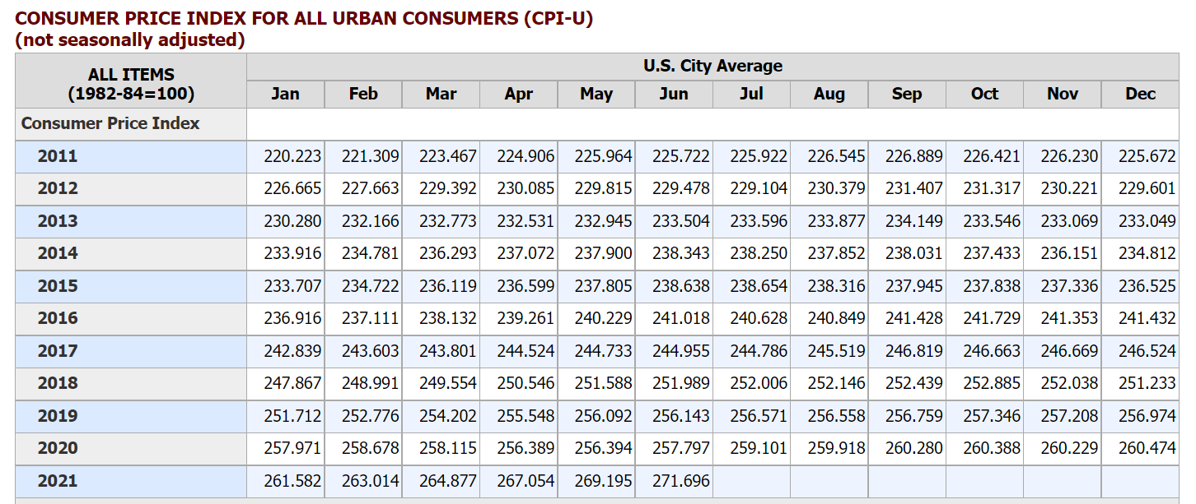

use the 2014 row, so it is reported in 2014 dollars.
We adjust dollars of the following years to 2012 dollars using the following conversion factors:
0.898 | 2019 to 2012
0.914 | 2018 to 2012; used for EIA AEO 2018 and DOE Clean Cities report
0.969 | 2015 to 2012; used for CEC/CARB hydrogen report
1.022 | 2011 to 2012; used for Euroheat and Power statistics
See "cpi.xlsx" in the InputData folder for source information.

2021 data from January 2022
https://www.bls.gov/cpi/tables/supplemental-files/historical-cpi-u-202201.pdf

Adjust 2022 to 2021 | 1.0469802288

EIA SEO
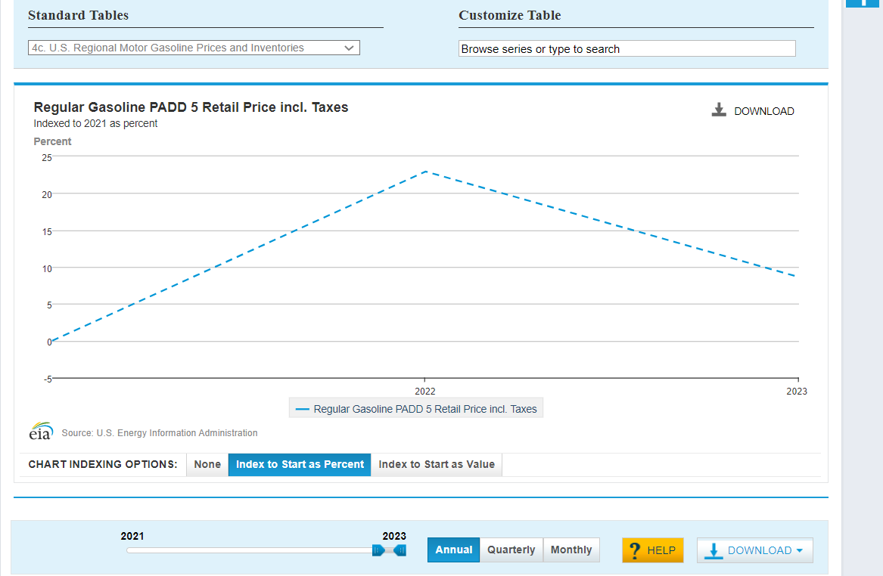
Pacific regional outlook exists for gasoline. National outlook used for other variables.

Custom Data Download (Indexed to 2021 as percent)
https://www.eia.gov/outlooks/steo/data/browser/#/?v=10&f=A&s=0&start=2021&end=2023&map=&linechart=~MGRARP5~MGRARUS~MGEIAUS&maptype=0&ctype=linechart&chartindexed=1
16:36:31 GMT-0700 (Pacific Daylight Time)
Source: U.S. Energy Information Administration
Year | Regular Gasoline PADD 5 Retail Price incl. Taxes Percent
2023 | 8.63
2022 | 22.94
2021 | 0

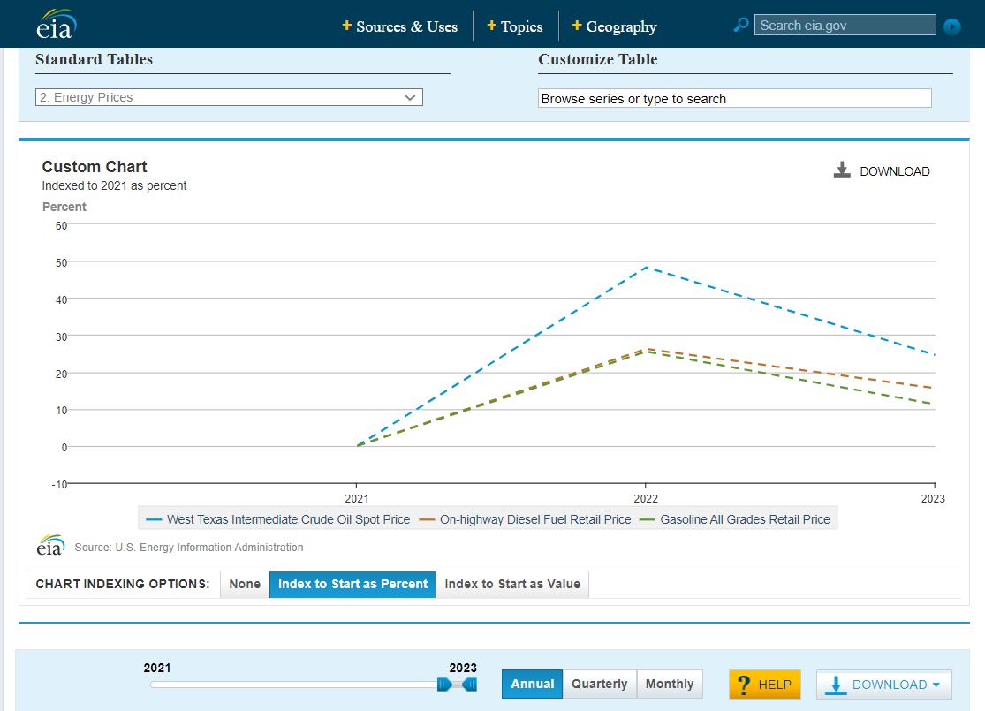
Custom Chart (Indexed to 2021 as percent)
https://www.eia.gov/outlooks/steo/data/browser/#/?v=8&f=A&s=0&start=2021&end=2023&chartindexed=1&map=&linechart=WTIPUUS~DSRTUUS~MGEIAUS&ctype=linechart&maptype=0
16:45:33 GMT-0700 (Pacific Daylight Time)
Source: U.S. Energy Information Administration
Year | West Texas Intermediate Crude Oil Spot Price Percent | On-highway Diesel Fuel Retail Price Percent | Gasoline All Grades Retail Price Percent
2023 | 24.59 | 15.58 | 11.24
2022 | 48.32 | 26.23 | 25.52
2021 | 0 | 0 | 0

CARB data
https://ww3.arb.ca.gov/fuels/lcfs/dashboard/dashboard.htm
version dated April 30, 2021 - accessed July 27, 2021

 | 2020 estimate
Share of biofuel diesel (calculated here) | 0.25
Share of biofuel gas per BPoEFUbVT-LDVs-psgr-gasveh | 0.0716
Fig. 2 - Alternative Fuels Volumes and Credits

Volume (quaterly) from "Fuels" tab
 | Unit | Q1 2018 | Q2 | Q3 | Q4 | Q1 2019 | Q2 | Q3 | Q4 | Q1 2020 | Q2 | Q3 | Q4
Bio-CNG | dge | 23,996,868 | 24,647,401 | 27,435,046 | 29,113,530 | 28,550,655 | 31,339,433 | 32,018,384 | 30,980,609 | 32,660,878 | 29,380,807 | 36,059,518 | 36,289,459
Bio-LNG | dge | 3,637,857 | 3,678,466 | 3,844,316 | 3,532,362 | 3,621,779 | 3,620,430 | 4,599,876 | 4,554,189 | 4,573,936 | 4,396,610 | 4,566,252 | 4,446,816
Fossil CNG | dge | 12,387,493 | 13,341,294 | 11,894,748 | 9,083,378 | 9,695,036 | 9,531,645 | 10,745,758 | 9,382,934 | 5,864,870 | 3,869,992 | 1,902,790 | 755,130
Fossil LNG | dge | 357,360 | 373,106 | 310,021 | 416,933 | 301,992 | 561,969 | 190,112 | 256,572 | 28,243 | - | - | 18,901
Hydrogen | gge | 113,659 | 133,239 | 142,747 | 169,048 | 238,089 | 277,324 | 328,143 | 353,700 | 329,436 | 245,195 | 355,621 | 399,909
Electricity | gge | 21,499,035 | 22,794,073 | 24,965,449 | 26,388,762 | 27,766,998 | 26,928,571 | 28,739,483 | 30,681,322 | 29,922,921 | 21,466,290 | 25,810,613 | 27,808,799
Ethanol | gal | 380,940,912 | 386,000,352 | 433,159,405 | 400,757,236 | 355,104,114 | 416,323,940 | 392,894,297 | 393,077,295 | 375,156,094 | 228,754,963 | 365,733,754 | 329,450,000
Biodiesel | gal | 36,595,945 | 40,693,700 | 49,904,077 | 57,290,022 | 41,827,876 | 57,413,156 | 56,880,071 | 55,523,645 | 56,207,896 | 59,491,770 | 69,798,506 | 81,027,956
Renewable Diesel | gal | 93,949,619 | 100,488,727 | 79,736,407 | 109,391,300 | 159,583,033 | 160,308,777 | 133,219,894 | 164,778,486 | 130,732,816 | 152,015,780 | 140,208,272 | 165,994,953
Alternative Jet Fuel | gal | - | - | - | - | - | 723,542 | 693,621 | 445,027 | 284,190 | 1,315,875 | 2,389,098 | 570,655
Renewable Naphtha | gal | - | - | - | 170,876 | 107,933 | 673,134 | 175,948 | 290,046 | 352,423 | 447,211 | 815,855 | 591,098
Propane | gal | - | - | - | - | 190,467 | 960,366 | 1,724,129 | 1,798,336 | 6,036,632 | 7,982,977 | 8,504,052 | 8,127,188

Conversion to gge using energy density from Table 3 in the LCFS regulation
Biodiesel | gge | 39,850,182 | 44,312,323 | 54,341,718 | 62,384,447 | 45,547,354 | 62,518,530 | 61,938,042 | 60,460,998 | 61,206,094 | 64,781,982 | 76,005,228 | 88,233,239
Biomethane | gge | 32,081,857 | 32,884,221 | 36,313,009 | 37,899,448 | 37,349,799 | 40,585,796 | 42,511,072 | 41,253,253 | 43,226,845 | 39,213,065 | 47,163,492 | 47,291,780
Fossil Natural Gas | gge | 14,795,825 | 15,921,397 | 14,168,827 | 11,029,153 | 11,605,805 | 11,717,934 | 12,695,730 | 11,190,748 | 6,841,465 | 4,492,772 | 2,208,997 | 898,592
Electricity | gge | 21,499,035 | 22,794,073 | 24,965,449 | 26,388,762 | 27,766,998 | 26,928,571 | 28,739,483 | 30,681,322 | 29,922,921 | 21,466,290 | 25,810,613 | 27,808,799
Ethanol | gge | 268,069,531 | 271,629,877 | 304,815,878 | 282,014,351 | 249,888,080 | 292,968,699 | 276,481,172 | 276,609,948 | 263,998,733 | 160,975,715 | 257,368,197 | 231,835,185
Renewable Diesel | gge | 105,159,010 | 112,478,317 | 89,249,980 | 122,443,081 | 178,623,329 | 179,435,664 | 149,114,731 | 184,438,666 | 146,330,912 | 170,153,206 | 156,936,912 | 185,800,273
Other (Hyrdrogen, AJF, Renewable Naphtha, Propane) | gge | 113,659 | 133,239 | 142,747 | 349,572 | 499,501 | 2,520,983 | 2,604,905 | 2,537,209 | 5,682,992 | 8,330,549 | 10,404,526 | 7,935,834

 |  | 2020
biofuel diesel |  | 949,447,847
biofuel gasoline |  | 914,177,830

Ethanol

 | 2019
CA distillate fuel oil | 478.70 | trillion btu
 | 3.79 | million gallons total diesel transportation fuel
 |  | 3.79 | estimated million gallons total diesel transportation fuel

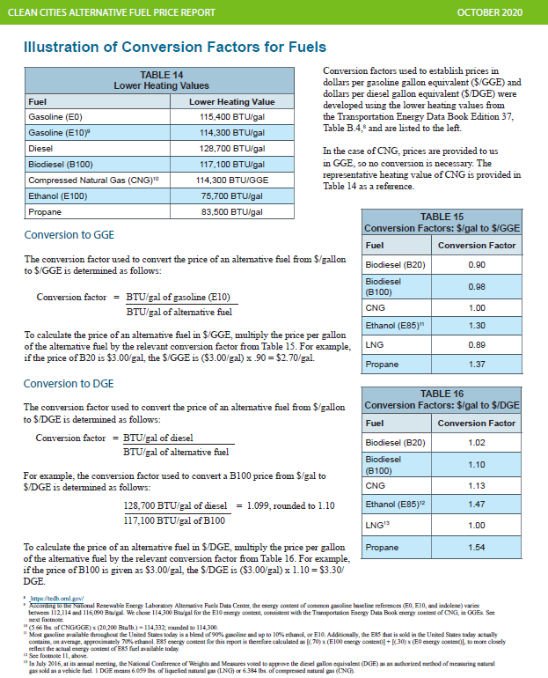
128700 | 80% | petroleum diesel
117100 | 20% | biofuel diesel
126380 | weighted average Btu/gal

Tax-diesel
 |  | state sales tax | prepayment | excise | fees sum (nominal) | fees (2019 $s)
Fiscal year | Calendar year
 | 2022 | 13% |  | $0.270 | $0.39
21-22 |  | 13% |  | $0.270 | $0.39
 | 2021 | 13% | 0.533 | $0.265 | $0.389 | $1.19 | 4.1 | 29%
20-21 |  | 13% |  | $0.260 | $0.385
 | 2020 | 13% | 0.43901 | $0.290 | $0.37 | $1.10 | 3.377 | 33%
19-20 |  | 13% |  | $0.320 | $0.36
 |  |  |  |  |  |  |  | 31% | average of 2020-2021
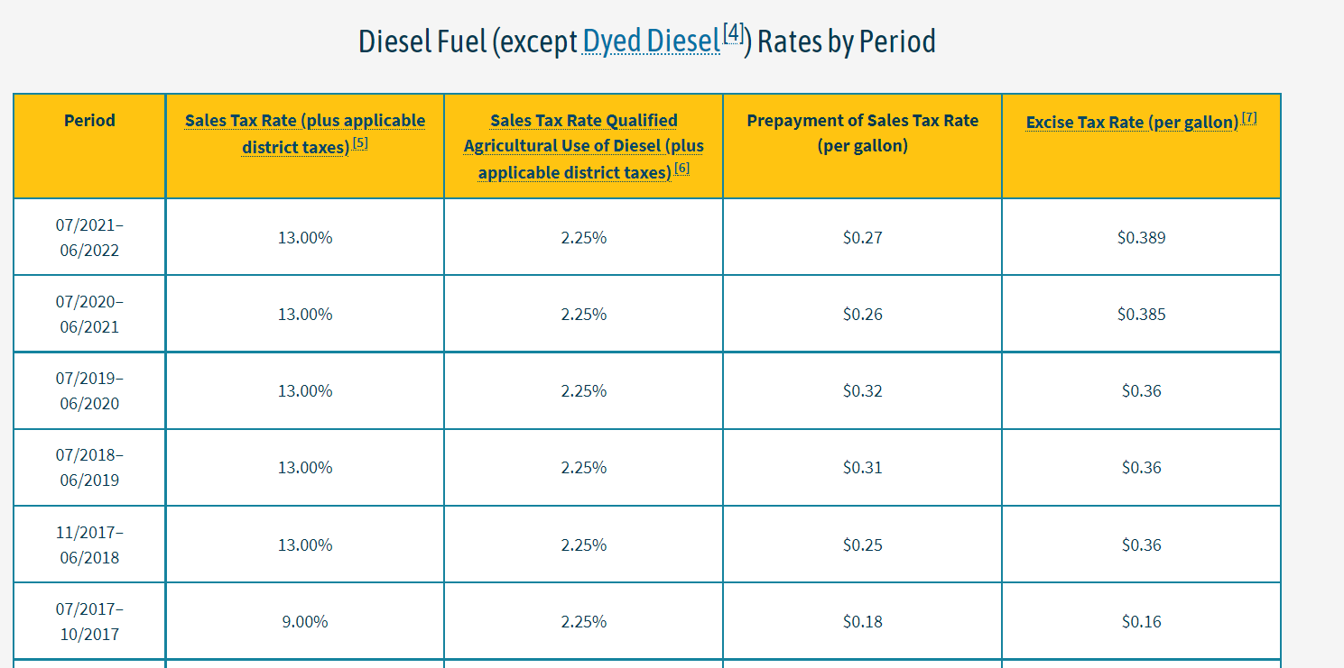
 |  |  |  |  |  |  |  |  | "5,7. Biodiesel, waste vegetable oil (wvo), and straight vegetable oil (svo) are taxed at the same rate as diesel fuel."

Tax-gasoline
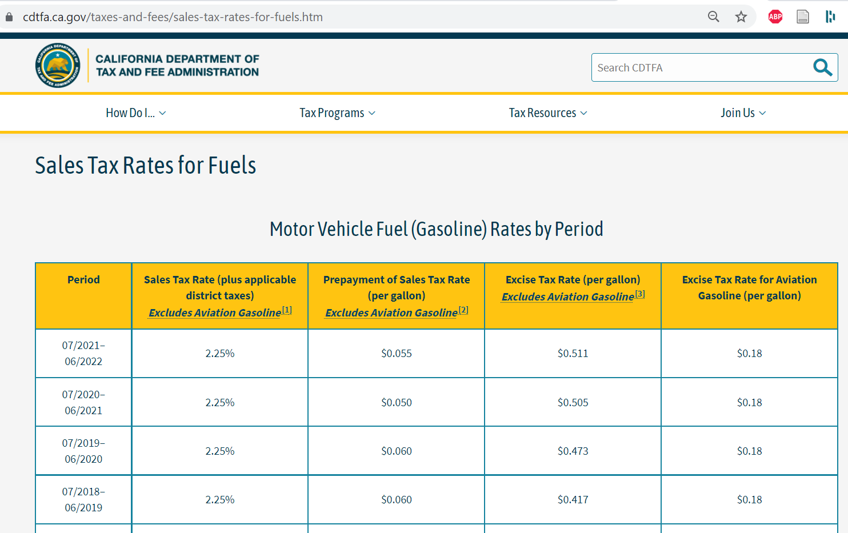
 |  | state sales tax | prepayment | excise | fees sum (nominal) |  | price | %
Fiscal year | Calendar year
 | 2022 | 0.0225 |  | $0.055 | $0.51
21-22 |  | 0.0225 |  | $0.055 | $0.51
 | 2021 | 0.0225 | 0.09225 | $0.055 | $0.511 | $0.66 |  | 4.1 | 16%
20-21 |  | 0.0225 |  | $0.050 | $0.505
 | 2020 | 0.0225 | 0.07047 | $0.055 | $0.49 | $0.61 |  | 3.132 | 20%
19-20 |  | 0.0225 |  | $0.060 | $0.47
 |  |  |  |  |  |  |  | 18% |  | Average of 2020&2021

Tax-jet fuel
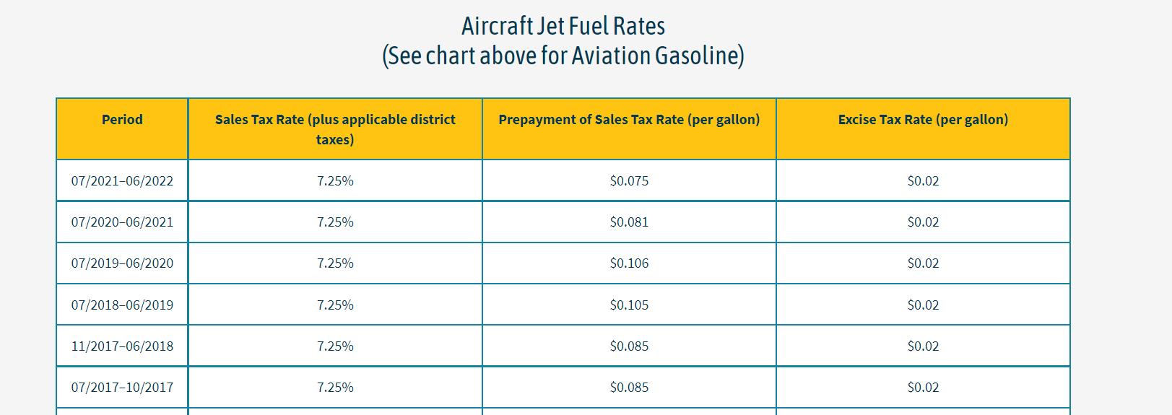
 |  | state sales tax |  | prepayment |  | excise |  | sum
Fiscal year | Calendar year |  | $/btu |  | $/btu |  | $/btu
 | 2022 | 0.0725 |  | $0.079 | $0.000 | $0.02 | $0.00
21-22 |  | 0.0725 |  | $0.079 | $0.000 | $0.02 | $0.00
 | 2021 | 0.0725 |  | $0.093 | $0.000 | $0.02 | $0.00
20-21 |  | 0.0725 |  | $0.106 | $0.000 | $0.02 | $0.00 |  |  | Retail price with taxes
 | 2020 | 0.0725 | 6.39E-07 | $0.106 | $0.000 | $0.02 | $0.00 | 1.55E-06 | 18% | 8.81E-06
19-20 |  | 0.0725 | 9.61E-07 | $0.105 | $0.000 | $0.02 | $0.00 | 1.87E-06 | 14% | 1.33E-05

 |  |  |  |  |  |  |  |  | 16% | Avg tax rate

AFDC regional alternative fuels
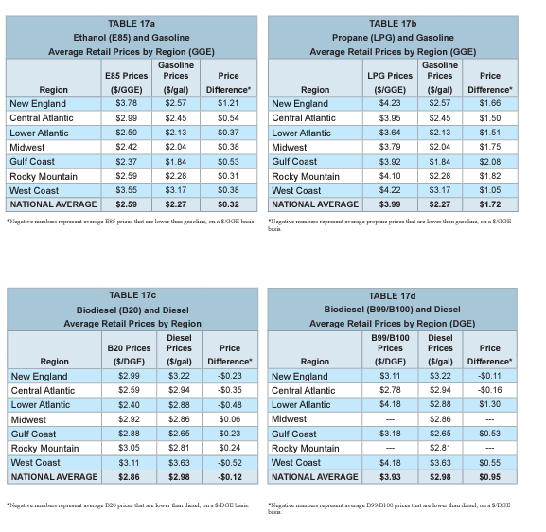
West coast average retail prices $ per gallon of gasoline equivalent - nominal dollars
 | 2018 | 2018 | 2018 | 2018 | 2019 | 2019 | 2019 | 2019 | 2020 | 2020 | 2020 | 2020
 | January | April | July | October | January | April | July | October | 2020 q1 | q2 | q3 | q4 | Jan-21 | Apr-21
Gasoline | 3.03 | 3.39 | 3.52 | 3.63 | 3.17 | 3.57 | $3.58 | $3.93 | $3.47 | $2.83 | $3.00 | $3.10 | $3.18 | $3.69
E85 / GGE | 3.29 | 3.52 | 3.81 | 3.91 | 3.55 | 3.73 | $3.82 | $4.00 | $3.86 | $3.00 | $3.21 | $3.26 | $3.20 | $3.78
LPG (nominal $s / Gasolinel Gallon Eq.) |  | 4.21 | 4.04 | 4.08 | 4.22 | 4.11 | $4.10 | $4.03 | $4.07 | $3.93 | $4.08 | $3.99 | $4.15 | $4.19
Diesel / diesel gallon | 3.49 | 3.64 | 3.87 | 3.98 | 3.63 | 3.83 | $3.85 | $3.89 | $3.79 | $3.33 | $3.23 | $3.24 | $3.39 | $3.89
B99/B100 / diesel gallon | 3.97 | 3.93 | 4.06 | 4.21 | 4.18 | 4.24 | $4.37 | $4.44 | $4.55 | $4.38 | $4.16 | $4.27 | $4.22 | $4.33
CNG (nominal $s / Diesel Gallon Eq.) | 3.45 | 2.81 | $2.80 | $2.80 | $2.79 | $2.86 | $2.86 | $2.82 | $2.79 | $2.86 | $2.76 | $2.82 | $2.75 | $2.72

Average B99/B100 differential | 0.20
Average LPG differential | 0.23
Average E85 | 0.06

energy adjusted price differentials

petro-bio diesel differential | 0.15151515152 | 0.10704960836 | 0.13506493506 | 0.14138817481 |  |  |  |  |  | 0.11311053985 |  | Differential spikes during covid recession. Exclude these values for input value calculation.
petro-bio diesel differential | 0.15151515152 | 0.10704960836 | 0.13506493506 | 0.14138817481 | 0.20052770449 | 0.31531531532 | 0.28792569659 | 0.31790123457 | 0.24483775811 | 0.11311053985
LPG vs typical petroleum gasoline (differential) | 0.33123028391 | 0.1512605042 | 0.14525139665 | 0.025445292621 | 0.17291066282 | 0.38869257951 | 0.36 | 0.28709677419 | 0.30503144654 | 0.13550135501
E85 vs typical petroleum gasoline (differential) | 0.11987381703 | 0.044817927171 | 0.067039106145 | 0.017811704835 | 0.11239193084 | 0.060070671378 | 0.07 | 0.051612903226 | 0.0062893081761 | 0.024390243902

in 2012 $s
 | 2020 | 2021
LPG | $2.49 | $3.53

 | 2019 (nominal dollars) | $/GallonEq in 2020 (average nominal) | 2012 dollars $/DGE in 2020 | 2012 dollars $/btu | 2021 nominal
CNG $ DGE |  | $2.81 | $2.49 | 1.94E-05
LPG $s GGE |  | $4.02 | $3.56 | 3.12E-05
 | 4.115 |  |  |  | $4.17

DGE | 128700 |  | Use AFDC sourced conversion factors where applicable
GGE | 114300 |  | Use AFDC sourced conversion factors where applicable

Heavy+crude oil+
All prices in 2012 $s/$b$tu

This sheet covers these fuels: | Wood
 | Heavy fuel oil
 | Coal
 | Crude oil

Wood
(Take the cost of biomass and heat as constant during the model run in real dollars.)
 | 2020 | 2021 | 2022 | 2023 | 2024 | 2025 | 2026 | 2027 | 2028 | 2029 | 2030 | 2031 | 2032 | 2033 | 2034 | 2035 | 2036 | 2037 | 2038 | 2039 | 2040 | 2041 | 2042 | 2043 | 2044 | 2045 | 2046 | 2047 | 2048 | 2049 | 2050
Pre-tax price
Transportation Sector | 0 | 0 | 0 | 0 | 0 | 0 | 0 | 0 | 0 | 0 | 0 | 0 | 0 | 0 | 0 | 0 | 0 | 0 | 0 | 0 | 0 | 0 | 0 | 0 | 0 | 0 | 0 | 0 | 0 | 0 | 0
Electricity Sector | 1.91E-06 | 1.9147753616E-06 | 1.9147753616E-06 | 1.9147753616E-06 | 1.9147753616E-06 | 1.9147753616E-06 | 1.9147753616E-06 | 1.9147753616E-06 | 1.9147753616E-06 | 1.9147753616E-06 | 1.9147753616E-06 | 1.9147753616E-06 | 1.9147753616E-06 | 1.9147753616E-06 | 1.9147753616E-06 | 1.9147753616E-06 | 1.9147753616E-06 | 1.9147753616E-06 | 1.9147753616E-06 | 1.9147753616E-06 | 1.9147753616E-06 | 1.9147753616E-06 | 1.9147753616E-06 | 1.9147753616E-06 | 1.9147753616E-06 | 1.9147753616E-06 | 1.9147753616E-06 | 1.9147753616E-06 | 1.9147753616E-06 | 1.9147753616E-06 | 1.9147753616E-06
Residential Buildings Sector | 9.42E-06 | 9.4177363279E-06 | 9.4177363279E-06 | 9.4177363279E-06 | 9.4177363279E-06 | 9.4177363279E-06 | 9.4177363279E-06 | 9.4177363279E-06 | 9.4177363279E-06 | 9.4177363279E-06 | 9.4177363279E-06 | 9.4177363279E-06 | 9.4177363279E-06 | 9.4177363279E-06 | 9.4177363279E-06 | 9.4177363279E-06 | 9.4177363279E-06 | 9.4177363279E-06 | 9.4177363279E-06 | 9.4177363279E-06 | 9.4177363279E-06 | 9.4177363279E-06 | 9.4177363279E-06 | 9.4177363279E-06 | 9.4177363279E-06 | 9.4177363279E-06 | 9.4177363279E-06 | 9.4177363279E-06 | 9.4177363279E-06 | 9.4177363279E-06 | 9.4177363279E-06
Commercial Buildings Sector | 2.23E-06 | 2.2270563219E-06 | 2.2270563219E-06 | 2.2270563219E-06 | 2.2270563219E-06 | 2.2270563219E-06 | 2.2270563219E-06 | 2.2270563219E-06 | 2.2270563219E-06 | 2.2270563219E-06 | 2.2270563219E-06 | 2.2270563219E-06 | 2.2270563219E-06 | 2.2270563219E-06 | 2.2270563219E-06 | 2.2270563219E-06 | 2.2270563219E-06 | 2.2270563219E-06 | 2.2270563219E-06 | 2.2270563219E-06 | 2.2270563219E-06 | 2.2270563219E-06 | 2.2270563219E-06 | 2.2270563219E-06 | 2.2270563219E-06 | 2.2270563219E-06 | 2.2270563219E-06 | 2.2270563219E-06 | 2.2270563219E-06 | 2.2270563219E-06 | 2.2270563219E-06
Industry Sector | 2.14E-06 | 2.1366592018E-06 | 2.1366592018E-06 | 2.1366592018E-06 | 2.1366592018E-06 | 2.1366592018E-06 | 2.1366592018E-06 | 2.1366592018E-06 | 2.1366592018E-06 | 2.1366592018E-06 | 2.1366592018E-06 | 2.1366592018E-06 | 2.1366592018E-06 | 2.1366592018E-06 | 2.1366592018E-06 | 2.1366592018E-06 | 2.1366592018E-06 | 2.1366592018E-06 | 2.1366592018E-06 | 2.1366592018E-06 | 2.1366592018E-06 | 2.1366592018E-06 | 2.1366592018E-06 | 2.1366592018E-06 | 2.1366592018E-06 | 2.1366592018E-06 | 2.1366592018E-06 | 2.1366592018E-06 | 2.1366592018E-06 | 2.1366592018E-06 | 2.1366592018E-06

Taxes added
Transportation Sector | 0 | 0 | 0 | 0 | 0 | 0 | 0 | 0 | 0 | 0 | 0 | 0 | 0 | 0 | 0 | 0 | 0 | 0 | 0 | 0 | 0 | 0 | 0 | 0 | 0 | 0 | 0 | 0 | 0 | 0 | 0
Electricity Sector | 1.78E-07 | 1.7769235882E-07 | 1.7769235882E-07 | 1.7769235882E-07 | 1.7769235882E-07 | 1.7769235882E-07 | 1.7769235882E-07 | 1.7769235882E-07 | 1.7769235882E-07 | 1.7769235882E-07 | 1.7769235882E-07 | 1.7769235882E-07 | 1.7769235882E-07 | 1.7769235882E-07 | 1.7769235882E-07 | 1.7769235882E-07 | 1.7769235882E-07 | 1.7769235882E-07 | 1.7769235882E-07 | 1.7769235882E-07 | 1.7769235882E-07 | 1.7769235882E-07 | 1.7769235882E-07 | 1.7769235882E-07 | 1.7769235882E-07 | 1.7769235882E-07 | 1.7769235882E-07 | 1.7769235882E-07 | 1.7769235882E-07 | 1.7769235882E-07 | 1.7769235882E-07
Residential Buildings Sector | 8.74E-07 | 8.7397185925E-07 | 8.7397185925E-07 | 8.7397185925E-07 | 8.7397185925E-07 | 8.7397185925E-07 | 8.7397185925E-07 | 8.7397185925E-07 | 8.7397185925E-07 | 8.7397185925E-07 | 8.7397185925E-07 | 8.7397185925E-07 | 8.7397185925E-07 | 8.7397185925E-07 | 8.7397185925E-07 | 8.7397185925E-07 | 8.7397185925E-07 | 8.7397185925E-07 | 8.7397185925E-07 | 8.7397185925E-07 | 8.7397185925E-07 | 8.7397185925E-07 | 8.7397185925E-07 | 8.7397185925E-07 | 8.7397185925E-07 | 8.7397185925E-07 | 8.7397185925E-07 | 8.7397185925E-07 | 8.7397185925E-07 | 8.7397185925E-07 | 8.7397185925E-07
Commercial Buildings Sector | 2.07E-07 | 2.066722285E-07 | 2.066722285E-07 | 2.066722285E-07 | 2.066722285E-07 | 2.066722285E-07 | 2.066722285E-07 | 2.066722285E-07 | 2.066722285E-07 | 2.066722285E-07 | 2.066722285E-07 | 2.066722285E-07 | 2.066722285E-07 | 2.066722285E-07 | 2.066722285E-07 | 2.066722285E-07 | 2.066722285E-07 | 2.066722285E-07 | 2.066722285E-07 | 2.066722285E-07 | 2.066722285E-07 | 2.066722285E-07 | 2.066722285E-07 | 2.066722285E-07 | 2.066722285E-07 | 2.066722285E-07 | 2.066722285E-07 | 2.066722285E-07 | 2.066722285E-07 | 2.066722285E-07 | 2.066722285E-07
Industry Sector | 1.98E-07 | 1.9828331885E-07 | 1.9828331885E-07 | 1.9828331885E-07 | 1.9828331885E-07 | 1.9828331885E-07 | 1.9828331885E-07 | 1.9828331885E-07 | 1.9828331885E-07 | 1.9828331885E-07 | 1.9828331885E-07 | 1.9828331885E-07 | 1.9828331885E-07 | 1.9828331885E-07 | 1.9828331885E-07 | 1.9828331885E-07 | 1.9828331885E-07 | 1.9828331885E-07 | 1.9828331885E-07 | 1.9828331885E-07 | 1.9828331885E-07 | 1.9828331885E-07 | 1.9828331885E-07 | 1.9828331885E-07 | 1.9828331885E-07 | 1.9828331885E-07 | 1.9828331885E-07 | 1.9828331885E-07 | 1.9828331885E-07 | 1.9828331885E-07 | 1.9828331885E-07

 | 2019 | 2019
Wood | nominal | 2012 $s
Transportation | 0E+00 | 0.00E+00
Power | 2.33E-06 | 2.09E-06
Residential | 1.15E-05 | 1.03E-05
Commercial | 2.71E-06 | 2.43E-06
Industrial | 2.60E-06 | 2.33E-06

Heavy fuel oil

Pre-tax price | 2020 | 2021 | 2022 | 2023 | 2024 | 2025 | 2026 | 2027 | 2028 | 2029 | 2030 | 2031 | 2032 | 2033 | 2034 | 2035 | 2036 | 2037 | 2038 | 2039 | 2040 | 2041 | 2042 | 2043 | 2044 | 2045 | 2046 | 2047 | 2048 | 2049 | 2050
Transportation Sector | 8.31E-06 | 1.14E-05 | 1.15E-05 | 1.42E-05 | 1.52E-05 | 1.53E-05 | 1.55E-05 | 1.59E-05 | 1.61E-05 | 1.62E-05 | 1.64E-05 | 1.66E-05 | 1.67E-05 | 1.69E-05 | 1.69E-05 | 1.69E-05 | 1.69E-05 | 1.69E-05 | 1.71E-05 | 1.71E-05 | 1.75E-05 | 1.76E-05 | 1.77E-05 | 1.80E-05 | 1.83E-05 | 1.84E-05 | 1.85E-05 | 1.86E-05 | 1.86E-05 | 1.86E-05 | 1.86E-05
Electricity Sector | 0.00E+00 | 0.00E+00 | 0.00E+00 | 0.00E+00 | 0.00E+00 | 0.00E+00 | 0.00E+00 | 0.00E+00 | 0.00E+00 | 0.00E+00 | 0.00E+00 | 0.00E+00 | 0.00E+00 | 0.00E+00 | 0.00E+00 | 0.00E+00 | 0.00E+00 | 0.00E+00 | 0.00E+00 | 0.00E+00 | 0.00E+00 | 0.00E+00 | 0.00E+00 | 0.00E+00 | 0.00E+00 | 0.00E+00 | 0.00E+00 | 0.00E+00 | 0.00E+00 | 0.00E+00 | 0.00E+00
Residential Buildings Sector | 0.00E+00 | 0.00E+00 | 0.00E+00 | 0.00E+00 | 0.00E+00 | 0.00E+00 | 0.00E+00 | 0.00E+00 | 0.00E+00 | 0.00E+00 | 0.00E+00 | 0.00E+00 | 0.00E+00 | 0.00E+00 | 0.00E+00 | 0.00E+00 | 0.00E+00 | 0.00E+00 | 0.00E+00 | 0.00E+00 | 0.00E+00 | 0.00E+00 | 0.00E+00 | 0.00E+00 | 0.00E+00 | 0.00E+00 | 0.00E+00 | 0.00E+00 | 0.00E+00 | 0.00E+00 | 0.00E+00
Commercial Buildings Sector | 0.00E+00 | 0.00E+00 | 0.00E+00 | 0.00E+00 | 0.00E+00 | 0.00E+00 | 0.00E+00 | 0.00E+00 | 0.00E+00 | 0.00E+00 | 0.00E+00 | 0.00E+00 | 0.00E+00 | 0.00E+00 | 0.00E+00 | 0.00E+00 | 0.00E+00 | 0.00E+00 | 0.00E+00 | 0.00E+00 | 0.00E+00 | 0.00E+00 | 0.00E+00 | 0.00E+00 | 0.00E+00 | 0.00E+00 | 0.00E+00 | 0.00E+00 | 0.00E+00 | 0.00E+00 | 0.00E+00
Industry Sector | 9.26E-05 | 9.26E-05 | 1.08E-04 | 1.13E-04 | 1.33E-04 | 1.43E-04 | 1.53E-04 | 1.66E-04 | 1.69E-04 | 1.71E-04 | 1.73E-04 | 1.76E-04 | 1.78E-04 | 1.79E-04 | 1.80E-04 | 1.80E-04 | 1.80E-04 | 1.79E-04 | 1.82E-04 | 1.81E-04 | 1.87E-04 | 1.90E-04 | 1.92E-04 | 1.96E-04 | 2.00E-04 | 2.01E-04 | 2.03E-04 | 2.04E-04 | 2.04E-04 | 2.04E-04 | 2.03E-04

Taxes added
Transportation Sector | 7.71E-07 | 1.06E-06 | 1.07E-06 | 1.31E-06 | 1.41E-06 | 1.42E-06 | 1.44E-06 | 1.48E-06 | 1.49E-06 | 1.51E-06 | 1.52E-06 | 1.54E-06 | 1.55E-06 | 1.57E-06 | 1.57E-06 | 1.57E-06 | 1.57E-06 | 1.57E-06 | 1.59E-06 | 1.59E-06 | 1.62E-06 | 1.63E-06 | 1.64E-06 | 1.67E-06 | 1.70E-06 | 1.70E-06 | 1.72E-06 | 1.73E-06 | 1.72E-06 | 1.73E-06 | 1.72E-06
Electricity Sector | 0 | 0 | 0 | 0 | 0 | 0 | 0 | 0 | 0 | 0 | 0 | 0 | 0 | 0 | 0 | 0 | 0 | 0 | 0 | 0 | 0 | 0 | 0 | 0 | 0 | 0 | 0 | 0 | 0 | 0 | 0
Residential Buildings Sector | 0 | 0 | 0 | 0 | 0 | 0 | 0 | 0 | 0 | 0 | 0 | 0 | 0 | 0 | 0 | 0 | 0 | 0 | 0 | 0 | 0 | 0 | 0 | 0 | 0 | 0 | 0 | 0 | 0 | 0 | 0
Commercial Buildings Sector | 0 | 0 | 0 | 0 | 0 | 0 | 0 | 0 | 0 | 0 | 0 | 0 | 0 | 0 | 0 | 0 | 0 | 0 | 0 | 0 | 0 | 0 | 0 | 0 | 0 | 0 | 0 | 0 | 0 | 0 | 0
Industry Sector | 8.59E-06 | 8.59E-06 | 1.01E-05 | 1.05E-05 | 1.23E-05 | 1.32E-05 | 1.42E-05 | 1.54E-05 | 1.57E-05 | 1.58E-05 | 1.61E-05 | 1.63E-05 | 1.65E-05 | 1.66E-05 | 1.67E-05 | 1.67E-05 | 1.67E-05 | 1.66E-05 | 1.69E-05 | 1.68E-05 | 1.74E-05 | 1.76E-05 | 1.78E-05 | 1.82E-05 | 1.85E-05 | 1.86E-05 | 1.88E-05 | 1.89E-05 | 1.89E-05 | 1.89E-05 | 1.89E-05

 | 2019 | 2019 | 2020 | 2021 | 2022 | 2023 | 2024 | 2025 | 2026 | 2027 | 2028 | 2029 | 2030 | 2031 | 2032 | 2033 | 2034 | 2035 | 2036 | 2037 | 2038 | 2039 | 2040 | 2041 | 2042 | 2043 | 2044 | 2045 | 2046 | 2047 | 2048 | 2049 | 2050
Heavy fuel oil | nominal | 2012 $s
Transportation | 1.41E-05 | 1.26E-05 | 9.08E-06 | 1.24E-05 | 1.26E-05 | 1.5475089804E-05 | 1.6557016201E-05 | 1.6761528447E-05 | 1.6969543667E-05 | 1.7388551031E-05 | 1.7604458173E-05 | 1.7727121222E-05 | 1.7872135888E-05 | 1.8145927556E-05 | 1.8275863789E-05 | 1.8432782546E-05 | 1.844970275E-05 | 1.8490689944E-05 | 1.8473001735E-05 | 1.8513957632E-05 | 1.8741146514E-05 | 1.8679078883E-05 | 1.9072372498E-05 | 1.9230033982E-05 | 1.9332364137E-05 | 1.9700720434E-05 | 1.9961679905E-05 | 2.0076223519E-05 | 2.0255855025E-05 | 2.0321357014E-05 | 2.0286747397E-05 | 2.032706048E-05 | 2.0280977723E-05
Power | NA
Residential | NA
Commercial | NA
Industrial | 1.13E-04 | 1.01E-04 | 1.01E-04 | 1.01E-04 | 1.18E-04 | 1.23E-04 | 1.45E-04 | 1.56E-04 | 1.68E-04 | 1.82E-04 | 1.85E-04 | 1.87E-04 | 1.89E-04 | 1.92E-04 | 1.94E-04 | 1.96E-04 | 1.96E-04 | 1.97E-04 | 1.96E-04 | 1.96E-04 | 1.99E-04 | 1.97E-04 | 2.05E-04 | 2.07E-04 | 2.09E-04 | 2.15E-04 | 2.18E-04 | 2.19E-04 | 2.22E-04 | 2.23E-04 | 2.23E-04 | 2.23E-04 | 2.22E-04

Coal
 | 2020 | 2021 | 2022 | 2023 | 2024 | 2025 | 2026 | 2027 | 2028 | 2029 | 2030 | 2031 | 2032 | 2033 | 2034 | 2035 | 2036 | 2037 | 2038 | 2039 | 2040 | 2041 | 2042 | 2043 | 2044 | 2045 | 2046 | 2047 | 2048 | 2049 | 2050
Pre tax fuel cost | 0 | 0 | 0 | 0 | 0 | 0 | 0 | 0 | 0 | 0 | 0 | 0 | 0 | 0 | 0 | 0 | 0 | 0 | 0 | 0 | 0 | 0 | 0 | 0 | 0 | 0 | 0 | 0 | 0 | 0 | 0
Industry sector | 2.6635824688E-06 | 2.6080911673E-06 | 2.5664726913E-06 | 2.5316843527E-06 | 2.5102544566E-06 | 2.5091329363E-06 | 2.4473058524E-06 | 2.4068600113E-06 | 2.4050910281E-06 | 2.3923750583E-06 | 2.4013833991E-06 | 2.3977892944E-06 | 2.3962361322E-06 | 2.382305078E-06 | 2.3779287784E-06 | 2.3693046736E-06 | 2.3522885029E-06 | 2.3332887755E-06 | 2.3293166723E-06 | 2.3284758439E-06 | 2.3251736589E-06 | 2.3313875553E-06 | 2.3261953776E-06 | 2.3128406776E-06 | 2.2987412082E-06 | 2.2921455708E-06 | 2.2883119423E-06 | 2.2847814611E-06 | 2.2779188544E-06 | 2.2671802035E-06 | 2.2688281772E-06

Taxes
Other sectors | 0 | 0 | 0 | 0 | 0 | 0 | 0 | 0 | 0 | 0 | 0 | 0 | 0 | 0 | 0 | 0 | 0 | 0 | 0 | 0 | 0 | 0 | 0 | 0 | 0 | 0 | 0 | 0 | 0 | 0 | 0
Industry sector | 2.471821297E-07 | 2.42032502E-07 | 2.3817028122E-07 | 2.349419015E-07 | 2.3295319366E-07 | 2.3284911587E-07 | 2.2711152357E-07 | 2.2335812405E-07 | 2.231939613E-07 | 2.220139113E-07 | 2.22849891E-07 | 2.2251635582E-07 | 2.2237222139E-07 | 2.2107941079E-07 | 2.2067328743E-07 | 2.1987296508E-07 | 2.1829385372E-07 | 2.1653066706E-07 | 2.1616205339E-07 | 2.1608402398E-07 | 2.1577757913E-07 | 2.1635423263E-07 | 2.1587239528E-07 | 2.1463307071E-07 | 2.1332463108E-07 | 2.1271255177E-07 | 2.1235678863E-07 | 2.1202915775E-07 | 2.1139230353E-07 | 2.1039574997E-07 | 2.1054868297E-07

 | 2019 | 2019 | 2020 | 2021 | 2022 | 2023 | 2024 | 2025 | 2026 | 2027 | 2028 | 2029 | 2030 | 2031 | 2032 | 2033 | 2034 | 2035 | 2036 | 2037 | 2038 | 2039 | 2040 | 2041 | 2042 | 2043 | 2044 | 2045 | 2046 | 2047 | 2048 | 2049 | 2050
 | nominal | 2012 $s
Industrial coal -- including tax | 3.41E-06 | 3.0623669213E-06 | 2.9107645985E-06 | 2.8501236693E-06 | 2.8046429725E-06 | 2.7666262542E-06 | 2.7432076503E-06 | 2.7419820522E-06 | 2.674417376E-06 | 2.6302181353E-06 | 2.6282849894E-06 | 2.6143889696E-06 | 2.6242332901E-06 | 2.6203056503E-06 | 2.6186083536E-06 | 2.6033844888E-06 | 2.5986020658E-06 | 2.5891776387E-06 | 2.5705823566E-06 | 2.5498194426E-06 | 2.5454787257E-06 | 2.5445598679E-06 | 2.540951238E-06 | 2.5477417879E-06 | 2.5420677729E-06 | 2.5274737483E-06 | 2.5120658393E-06 | 2.5048581226E-06 | 2.5006687309E-06 | 2.4968106189E-06 | 2.4893111579E-06 | 2.4775759535E-06 | 2.4793768602E-06
Use for other sectors

Crude oil
 | 2020 | 2021 | 2022 | 2023 | 2024 | 2025 | 2026 | 2027 | 2028 | 2029 | 2030 | 2031 | 2032 | 2033 | 2034 | 2035 | 2036 | 2037 | 2038 | 2039 | 2040 | 2041 | 2042 | 2043 | 2044 | 2045 | 2046 | 2047 | 2048 | 2049 | 2050
Crude oil - pretax | 6.2967023019E-06 | 1.0954911334E-05 | 1.624832449E-05 | 1.3648724031E-05 | 1.2590160694E-05 | 1.1531597357E-05 | 1.0473034021E-05 | 1.0770636874E-05 | 1.0988221255E-05 | 1.114973138E-05 | 1.1321160489E-05 | 1.155804956E-05 | 1.1743823867E-05 | 1.1869431002E-05 | 1.1933457778E-05 | 1.2046846165E-05 | 1.2239553094E-05 | 1.2380625312E-05 | 1.2544275218E-05 | 1.2585224357E-05 | 1.2824693164E-05 | 1.2971184827E-05 | 1.3033005162E-05 | 1.3259188663E-05 | 1.3531454111E-05 | 1.3605886488E-05 | 1.3803246275E-05 | 1.3795200432E-05 | 1.3814285144E-05 | 1.3862846837E-05 | 1.381917131E-05
Crude oil - taxes | 5.8433793709E-07 | 1.0166226674E-06 | 1.5078547402E-06 | 1.2666101813E-06 | 1.1683748373E-06 | 1.0701394934E-06 | 9.7190414941E-07 | 9.9952188149E-07 | 1.0197138491E-06 | 1.0347020903E-06 | 1.0506108195E-06 | 1.0725942745E-06 | 1.089834247E-06 | 1.1014906682E-06 | 1.1074323933E-06 | 1.117954907E-06 | 1.1358382314E-06 | 1.148929822E-06 | 1.1641166363E-06 | 1.1679167422E-06 | 1.1901395982E-06 | 1.2037341167E-06 | 1.2094710827E-06 | 1.230461054E-06 | 1.255727459E-06 | 1.2626348304E-06 | 1.2809499428E-06 | 1.2802032835E-06 | 1.2819743568E-06 | 1.2864809125E-06 | 1.2824277961E-06

 | 2020 | 2021 | 2022 | 2023 | 2024 | 2025 | 2026 | 2027 | 2028 | 2029 | 2030 | 2031 | 2032 | 2033 | 2034 | 2035 | 2036 | 2037 | 2038 | 2039 | 2040 | 2041 | 2042 | 2043 | 2044 | 2045 | 2046 | 2047 | 2048 | 2049 | 2050
2012 $s
Crude oil - SEO+AEO | 6.881040239E-06 | 1.1971534001E-05 | 1.775617923E-05 | 1.4915334212E-05 | 1.3758535531E-05 | 1.2601736851E-05 | 1.144493817E-05 | 1.1770158755E-05 | 1.2007935104E-05 | 1.2184433471E-05 | 1.2371771309E-05 | 1.2630643835E-05 | 1.2833658114E-05 | 1.297092167E-05 | 1.3040890171E-05 | 1.3164801072E-05 | 1.3375391326E-05 | 1.3529555134E-05 | 1.3708391854E-05 | 1.37531411E-05 | 1.4014832763E-05 | 1.4174918944E-05 | 1.4242476245E-05 | 1.4489649717E-05 | 1.478718157E-05 | 1.4868521318E-05 | 1.5084196217E-05 | 1.5075403715E-05 | 1.5096259501E-05 | 1.5149327749E-05 | 1.5101599106E-05
2023-2026 trend between SEO and AEO |  |  |  |  | 1.1567986806E-06
Crude oil - SEO |  |  | 1.775617923E-05 | 1.4915334212E-05
Crude oil - AEO |  |  | 1.1563669726E-05 | 1.0196519458E-05 | 1.1095379765E-05 | 1.1227085178E-05 | 1.144493817E-05 | 1.1770158755E-05 | 1.2007935104E-05 | 1.2184433471E-05 | 1.2371771309E-05 | 1.2630643835E-05 | 1.2833658114E-05 | 1.297092167E-05 | 1.3040890171E-05 | 1.3164801072E-05 | 1.3375391326E-05 | 1.3529555134E-05 | 1.3708391854E-05 | 1.37531411E-05 | 1.4014832763E-05 | 1.4174918944E-05 | 1.4242476245E-05 | 1.4489649717E-05 | 1.478718157E-05 | 1.4868521318E-05 | 1.5084196217E-05 | 1.5075403715E-05 | 1.5096259501E-05 | 1.5149327749E-05 | 1.5101599106E-05
Crude oil - EIA - historical | 6.881040239E-06 | 1.1971534001E-05

Lpgpropbut
 | 2020 | 2021 | 2022 | 2023 | 2024 | 2025 | 2026 | 2027 | 2028 | 2029 | 2030 | 2031 | 2032 | 2033 | 2034 | 2035 | 2036 | 2037 | 2038 | 2039 | 2040 | 2041 | 2042 | 2043 | 2044 | 2045 | 2046 | 2047 | 2048 | 2049 | 2050
Pre-tax price
Transportation Sector | 1.4373142092E-05 | 1.2242774281E-05 | 1.6026620228E-05 | 1.6577742272E-05 | 1.5214833292E-05 | 1.5217032733E-05 | 1.5127029991E-05 | 1.5244433158E-05 | 1.5556638127E-05 | 1.5982007259E-05 | 1.6255720661E-05 | 1.6544621494E-05 | 1.7105829352E-05 | 1.7312949829E-05 | 1.7555561242E-05 | 1.7673218225E-05 | 1.7752053949E-05 | 1.7862938281E-05 | 1.8005872122E-05 | 1.813584778E-05 | 1.8197664259E-05 | 1.8411691974E-05 | 1.8535143377E-05 | 1.8542559151E-05 | 1.8674951935E-05 | 1.8833202375E-05 | 1.8852803141E-05 | 1.8930058158E-05 | 1.898046374E-05 | 1.9004943019E-05 | 1.8986412618E-05
Electricity Sector | 1.4381360012E-05 | 1.2249774152E-05 | 1.6035783533E-05 | 1.7013632681E-05 | 1.4917575828E-05 | 1.48976974E-05 | 1.47576045E-05 | 1.4933803236E-05 | 1.5414304956E-05 | 1.6082143022E-05 | 1.6523864705E-05 | 1.6990874343E-05 | 1.740917002E-05 | 1.7753160508E-05 | 1.8086053352E-05 | 1.8286877077E-05 | 1.8422734747E-05 | 1.8610581247E-05 | 1.8852966179E-05 | 1.9075616091E-05 | 1.9185267761E-05 | 1.9548479586E-05 | 1.9764928877E-05 | 1.9784568684E-05 | 2.0012288412E-05 | 2.0287347973E-05 | 2.0328141596E-05 | 2.046404511E-05 | 2.0555078459E-05 | 2.0601206379E-05 | 2.0573210133E-05
Residential Buildings Sector | 2.2097986899E-05 | 1.8822652969E-05 | 2.4640126811E-05 | 2.6630493591E-05 | 2.6377096885E-05 | 2.6427967521E-05 | 2.6363698287E-05 | 2.6461860252E-05 | 2.6822248487E-05 | 2.7420280356E-05 | 2.7985733779E-05 | 2.8570730599E-05 | 2.9336407226E-05 | 2.9838672891E-05 | 3.0336460123E-05 | 3.0702309638E-05 | 3.0979811894E-05 | 3.124578835E-05 | 3.1534385191E-05 | 3.1817591857E-05 | 3.2027767389E-05 | 3.2367277298E-05 | 3.2662841227E-05 | 3.2823718449E-05 | 3.3057602722E-05 | 3.3341830081E-05 | 3.3503616752E-05 | 3.3677725133E-05 | 3.3821408844E-05 | 3.3923802669E-05 | 3.3960586599E-05
Commercial Buildings Sector | 1.3214415371E-05 | 1.1255792478E-05 | 1.473459424E-05 | 1.5532270114E-05 | 1.4315480369E-05 | 1.4257067141E-05 | 1.4158498788E-05 | 1.4262081337E-05 | 1.4565201446E-05 | 1.4991544542E-05 | 1.5283663215E-05 | 1.5583588979E-05 | 1.6044271673E-05 | 1.6263755463E-05 | 1.6499864115E-05 | 1.662919509E-05 | 1.6716079856E-05 | 1.6830600331E-05 | 1.6977569201E-05 | 1.7114203888E-05 | 1.7184619039E-05 | 1.7398393937E-05 | 1.7533075478E-05 | 1.7551431591E-05 | 1.7683317885E-05 | 1.7846448227E-05 | 1.787756839E-05 | 1.7956846005E-05 | 1.8011890038E-05 | 1.80404392E-05 | 1.8025389556E-05
Industry Sector | 1.4381360012E-05 | 1.2249774152E-05 | 1.6035783533E-05 | 1.7013632681E-05 | 1.4917575828E-05 | 1.48976974E-05 | 1.47576045E-05 | 1.4933803236E-05 | 1.5414304956E-05 | 1.6082143022E-05 | 1.6523864705E-05 | 1.6990874343E-05 | 1.740917002E-05 | 1.7753160508E-05 | 1.8086053352E-05 | 1.8286877077E-05 | 1.8422734747E-05 | 1.8610581247E-05 | 1.8852966179E-05 | 1.9075616091E-05 | 1.9185267761E-05 | 1.9548479586E-05 | 1.9764928877E-05 | 1.9784568684E-05 | 2.0012288412E-05 | 2.0287347973E-05 | 2.0328141596E-05 | 2.046404511E-05 | 2.0555078459E-05 | 2.0601206379E-05 | 2.0573210133E-05

Taxes added
Transportation Sector | 1.3338366334E-06 | 1.1361371596E-06 | 1.4872804451E-06 | 1.5384249177E-06 | 1.4119461065E-06 | 1.412150216E-06 | 1.4037979049E-06 | 1.4146929927E-06 | 1.4436658104E-06 | 1.4831403336E-06 | 1.5085411095E-06 | 1.5353512887E-06 | 1.5874317312E-06 | 1.6066526419E-06 | 1.6291671336E-06 | 1.6400857757E-06 | 1.6474017806E-06 | 1.6576919163E-06 | 1.6709562668E-06 | 1.6830180896E-06 | 1.6887546978E-06 | 1.7086166045E-06 | 1.7200729724E-06 | 1.7207611609E-06 | 1.7330472946E-06 | 1.747733035E-06 | 1.7495519984E-06 | 1.7567213127E-06 | 1.7613989824E-06 | 1.7636706749E-06 | 1.761951042E-06
Electricity Sector | 1.3345992615E-06 | 1.136786752E-06 | 1.4881308056E-06 | 1.578875822E-06 | 1.3843604267E-06 | 1.3825156961E-06 | 1.3695149868E-06 | 1.3858663404E-06 | 1.4304572025E-06 | 1.4924329954E-06 | 1.5334250456E-06 | 1.576763834E-06 | 1.6155819361E-06 | 1.6475044699E-06 | 1.6783971354E-06 | 1.6970337035E-06 | 1.7096413808E-06 | 1.7270736542E-06 | 1.7495671285E-06 | 1.7702291804E-06 | 1.7804049244E-06 | 1.8141112105E-06 | 1.8341978409E-06 | 1.8360204273E-06 | 1.8571529614E-06 | 1.8826786618E-06 | 1.8864643357E-06 | 1.8990762673E-06 | 1.9075242194E-06 | 1.9118049195E-06 | 1.9092068503E-06
Residential Buildings Sector | 2.0507070938E-06 | 1.7467540435E-06 | 2.2866192779E-06 | 2.4713265679E-06 | 2.4478111941E-06 | 2.4525320211E-06 | 2.4465677958E-06 | 2.4556772879E-06 | 2.489121543E-06 | 2.5446192768E-06 | 2.5970937104E-06 | 2.6513817835E-06 | 2.7224370565E-06 | 2.7690476263E-06 | 2.8152425948E-06 | 2.8491936601E-06 | 2.8749460441E-06 | 2.8996288266E-06 | 2.9264107952E-06 | 2.9526925521E-06 | 2.9721969737E-06 | 3.003703707E-06 | 3.0311322256E-06 | 3.0460617331E-06 | 3.0677663408E-06 | 3.0941428187E-06 | 3.1091567235E-06 | 3.1253140909E-06 | 3.1386480297E-06 | 3.1481502412E-06 | 3.151563813E-06
Commercial Buildings Sector | 1.2263060643E-06 | 1.044544627E-06 | 1.3673796202E-06 | 1.4414044434E-06 | 1.3284855891E-06 | 1.3230648048E-06 | 1.3139175996E-06 | 1.3235301254E-06 | 1.3516598623E-06 | 1.39122477E-06 | 1.4183335667E-06 | 1.4461668664E-06 | 1.4889185104E-06 | 1.5092867442E-06 | 1.5311977758E-06 | 1.5431997717E-06 | 1.5512627327E-06 | 1.5618903048E-06 | 1.5755291084E-06 | 1.5882088934E-06 | 1.5947434637E-06 | 1.6145819088E-06 | 1.6270804406E-06 | 1.6287838995E-06 | 1.6410230306E-06 | 1.6561616289E-06 | 1.6590495997E-06 | 1.6664066123E-06 | 1.6715147332E-06 | 1.6741641134E-06 | 1.6727674969E-06
Industry Sector | 1.3345992615E-06 | 1.136786752E-06 | 1.4881308056E-06 | 1.578875822E-06 | 1.3843604267E-06 | 1.3825156961E-06 | 1.3695149868E-06 | 1.3858663404E-06 | 1.4304572025E-06 | 1.4924329954E-06 | 1.5334250456E-06 | 1.576763834E-06 | 1.6155819361E-06 | 1.6475044699E-06 | 1.6783971354E-06 | 1.6970337035E-06 | 1.7096413808E-06 | 1.7270736542E-06 | 1.7495671285E-06 | 1.7702291804E-06 | 1.7804049244E-06 | 1.8141112105E-06 | 1.8341978409E-06 | 1.8360204273E-06 | 1.8571529614E-06 | 1.8826786618E-06 | 1.8864643357E-06 | 1.8990762673E-06 | 1.9075242194E-06 | 1.9118049195E-06 | 1.9092068503E-06

 | 2019 | 2020 | 2021 | 2022 | 2023 | 2024 | 2025 | 2026 | 2027 | 2028 | 2029 | 2030 | 2031 | 2032 | 2033 | 2034 | 2035 | 2036 | 2037 | 2038 | 2039 | 2040 | 2041 | 2042 | 2043 | 2044 | 2045 | 2046 | 2047 | 2048 | 2049 | 2050
Propane (lpgpropbut)
Transportation Sector | 1.5706978725E-05 | 1.3378911441E-05 | 1.7513900673E-05 | 1.811616719E-05 | 1.6626779398E-05 | 1.6629182949E-05 | 1.6530827896E-05 | 1.665912615E-05 | 1.7000303938E-05 | 1.7465147593E-05 | 1.776426177E-05 | 1.8079972783E-05 | 1.8693261083E-05 | 1.8919602471E-05 | 1.9184728375E-05 | 1.9313304001E-05 | 1.939945573E-05 | 1.9520630197E-05 | 1.9676828389E-05 | 1.981886587E-05 | 1.9886418957E-05 | 2.0120308579E-05 | 2.025521635E-05 | 2.0263320312E-05 | 2.040799923E-05 | 2.058093541E-05 | 2.0602355139E-05 | 2.0686779471E-05 | 2.0741862723E-05 | 2.0768613694E-05 | 2.074836366E-05 | 2.0726215463E-05
Electricity Sector | 1.5715959274E-05 | 1.3386560904E-05 | 1.7523914338E-05 | 1.8592508503E-05 | 1.6301936254E-05 | 1.6280213096E-05 | 1.6127119486E-05 | 1.6319669576E-05 | 1.6844762159E-05 | 1.7574576017E-05 | 1.805728975E-05 | 1.8567638177E-05 | 1.9024751956E-05 | 1.9400664978E-05 | 1.9764450488E-05 | 1.998391078E-05 | 2.0132376128E-05 | 2.0337654902E-05 | 2.0602533308E-05 | 2.0845845271E-05 | 2.0965672685E-05 | 2.1362590797E-05 | 2.1599126718E-05 | 2.1620589111E-05 | 2.1869441373E-05 | 2.2170026635E-05 | 2.2214605932E-05 | 2.2363121377E-05 | 2.2462602678E-05 | 2.2513011299E-05 | 2.2482416984E-05 | 2.2447619595E-05
Residential Buildings Sector | 2.4148693992E-05 | 2.0569407012E-05 | 2.6926746089E-05 | 2.9101820159E-05 | 2.882490808E-05 | 2.8880499542E-05 | 2.8810266083E-05 | 2.891753754E-05 | 2.931137003E-05 | 2.9964899633E-05 | 3.0582827489E-05 | 3.1222112382E-05 | 3.2058844283E-05 | 3.2607720517E-05 | 3.3151702718E-05 | 3.3551503298E-05 | 3.3854757938E-05 | 3.4145417177E-05 | 3.4460795986E-05 | 3.4770284409E-05 | 3.4999964363E-05 | 3.5370981005E-05 | 3.5693973453E-05 | 3.5869780182E-05 | 3.6125369063E-05 | 3.64359729E-05 | 3.6612773475E-05 | 3.6803039224E-05 | 3.6960056874E-05 | 3.7071952911E-05 | 3.7112150412E-05 | 3.7116599533E-05
Commercial Buildings Sector | 1.4440721435E-05 | 1.2300337105E-05 | 1.610197386E-05 | 1.6973674557E-05 | 1.5643965958E-05 | 1.5580131946E-05 | 1.5472416388E-05 | 1.5585611462E-05 | 1.5916861309E-05 | 1.6382769312E-05 | 1.6701996782E-05 | 1.7029755846E-05 | 1.7533190184E-05 | 1.7773042207E-05 | 1.8031061891E-05 | 1.8172394862E-05 | 1.8267342589E-05 | 1.8392490636E-05 | 1.8553098309E-05 | 1.8702412781E-05 | 1.8779362502E-05 | 1.9012975845E-05 | 1.9160155919E-05 | 1.9180215491E-05 | 1.9324340916E-05 | 1.9502609856E-05 | 1.9536617989E-05 | 1.9623252617E-05 | 1.9683404771E-05 | 1.9714603314E-05 | 1.9698157052E-05 | 1.9676792507E-05
Industry Sector | 1.5715959274E-05 | 1.3386560904E-05 | 1.7523914338E-05 | 1.8592508503E-05 | 1.6301936254E-05 | 1.6280213096E-05 | 1.6127119486E-05 | 1.6319669576E-05 | 1.6844762159E-05 | 1.7574576017E-05 | 1.805728975E-05 | 1.8567638177E-05 | 1.9024751956E-05 | 1.9400664978E-05 | 1.9764450488E-05 | 1.998391078E-05 | 2.0132376128E-05 | 2.0337654902E-05 | 2.0602533308E-05 | 2.0845845271E-05 | 2.0965672685E-05 | 2.1362590797E-05 | 2.1599126718E-05 | 2.1620589111E-05 | 2.1869441373E-05 | 2.2170026635E-05 | 2.2214605932E-05 | 2.2363121377E-05 | 2.2462602678E-05 | 2.2513011299E-05 | 2.2482416984E-05 | 2.2447619595E-05

Propane - empirical
 | (nominal) | 2012 $s
$/btu | 2019 | 2019 | 2020 (est) | 2021 (est)
 | HGLs/Propane
Transportation | 1.75E-05 | 1.57E-05 | 1.34E-05 | 1.75E-05
Power | NA
Residential | 2.69E-05 | 2.41E-05 | 2.06E-05 | 2.69E-05
Commercial | 1.61E-05 | 1.44E-05 | 1.23E-05 | 1.61E-05
Industrial | 1.75E-05 | 1.57E-05 | 1.34E-05 | 1.75E-05

 | 2022 | 2023 | 2024 | 2025 | 2026 | 2027 | 2028 | 2029 | 2030 | 2031 | 2032 | 2033 | 2034 | 2035 | 2036 | 2037 | 2038 | 2039 | 2040 | 2041 | 2042 | 2043 | 2044 | 2045 | 2046 | 2047 | 2048 | 2049 | 2050
Transportation Sector | 0.034387914377 | -0.082213184264 | 0.00014455897816 | -0.005914605238 | 0.00776115118 | 0.020479932993 | 0.027343255559 | 0.017126346964 | 0.017772256272 | 0.033920864111 | 0.012108180984 | 0.014013291484 | 0.0067019778753 | 0.0044607452729 | 0.0062462817934 | 0.0080016982156 | 0.0072185149873 | 0.003408524374 | 0.011761273984 | 0.0067050547605 | 0.00040009259146 | 0.0071399413302 | 0.0084739409351 | 0.0010407558554 | 0.004097800055 | 0.002662727258 | 0.0012897092046 | -0.00097503061377 | -0.0010674671798
Electricity Sector
Residential Buildings Sector | 0.080777456853 | -0.0095152838582 | 0.0019285911276 | -0.0024318644016 | 0.0037233761185 | 0.013619157235 | 0.022296112459 | 0.020621722876 | 0.020903394029 | 0.026799336637 | 0.017120898987 | 0.016682619703 | 0.012059729885 | 0.0090384814365 | 0.0085854768027 | 0.0092363437228 | 0.0089808843442 | 0.0066056391882 | 0.010600486299 | 0.0091315659959 | 0.0049253897102 | 0.0071254654864 | 0.0085979422445 | 0.0048523632427 | 0.0051967040543 | 0.0042664316155 | 0.0030274855116 | 0.0010843103164 | 0.00011988315479
Commercial Buildings Sector | 0.054136263302 | -0.078339465904 | -0.004080423879 | -0.006913648632 | 0.0073159273698 | 0.021253567569 | 0.029271349054 | 0.019485562163 | 0.019623944887 | 0.029562040839 | 0.013679884878 | 0.014517474333 | 0.0078383054517 | 0.0052248329386 | 0.0068509169329 | 0.0087322417065 | 0.0080479534457 | 0.004114427504 | 0.012439897411 | 0.0077410329955 | 0.0010469420068 | 0.0075142755824 | 0.0092250980593 | 0.0017437734678 | 0.0044344741739 | 0.0030653508506 | 0.0015850175768 | -0.00083421721358 | -0.0010845961508
Industry Sector | 0.060979193564 | -0.12319866617 | -0.0013325508179 | -0.0094036612735 | 0.011939521484 | 0.032175442046 | 0.043325863041 | 0.02746659338 | 0.028262736781 | 0.024618843534 | 0.019759154915 | 0.018751187679 | 0.011103789249 | 0.0074292439034 | 0.010196450355 | 0.013024038782 | 0.011809808052 | 0.0057482636063 | 0.018931809044 | 0.011072436069 | 0.00099366949035 | 0.011509966757 | 0.013744533147 | 0.0020107913163 | 0.0066854863663 | 0.0044484533089 | 0.0022441130918 | -0.0013589614857 | -0.001547760133

Gasoline+diesel
 | 2020 | 2021 | 2022 | 2023 | 2024 | 2025 | 2026 | 2027 | 2028 | 2029 | 2030 | 2031 | 2032 | 2033 | 2034 | 2035 | 2036 | 2037 | 2038 | 2039 | 2040 | 2041 | 2042 | 2043 | 2044 | 2045 | 2046 | 2047 | 2048 | 2049 | 2050
Petroluem gasoline
Pre-tax price | 1.90E-05 | 2.37E-05 | 3.06E-05 | 2.70E-05 | 2.47E-05 | 2.25E-05 | 2.02E-05 | 2.05E-05 | 2.07E-05 | 2.09E-05 | 2.14E-05 | 2.21E-05 | 2.23E-05 | 2.25E-05 | 2.26E-05 | 2.27E-05 | 2.29E-05 | 2.30E-05 | 2.33E-05 | 2.33E-05 | 2.35E-05 | 2.36E-05 | 2.37E-05 | 2.39E-05 | 2.41E-05 | 2.42E-05 | 2.44E-05 | 2.45E-05 | 2.44E-05 | 2.44E-05 | 2.44E-05
taxes added | 4.12E-06 | 5.15E-06 | 4.94E-06 | 4.42E-06 | 4.39E-06 | 4.35E-06 | 4.39E-06 | 4.44E-06 | 4.49E-06 | 4.53E-06 | 4.64E-06 | 4.79E-06 | 4.84E-06 | 4.88E-06 | 4.91E-06 | 4.93E-06 | 4.97E-06 | 5.00E-06 | 5.05E-06 | 5.06E-06 | 5.10E-06 | 5.13E-06 | 5.14E-06 | 5.19E-06 | 5.24E-06 | 5.25E-06 | 5.29E-06 | 5.31E-06 | 5.30E-06 | 5.30E-06 | 5.30E-06

Biofuel gasoline
Pre-tax price | 2.24E-05 | 2.79E-05 | 3.44E-05 | 3.04E-05 | 2.82E-05 | 2.60E-05 | 2.38E-05 | 2.41E-05 | 2.44E-05 | 2.46E-05 | 2.52E-05 | 2.60E-05 | 2.62E-05 | 2.65E-05 | 2.67E-05 | 2.68E-05 | 2.69E-05 | 2.71E-05 | 2.74E-05 | 2.74E-05 | 2.76E-05 | 2.78E-05 | 2.79E-05 | 2.81E-05 | 2.84E-05 | 2.85E-05 | 2.87E-05 | 2.88E-05 | 2.87E-05 | 2.88E-05 | 2.87E-05
taxes added | 2.07E-06 | 2.59E-06 | 3.19E-06 | 2.82E-06 | 2.62E-06 | 2.41E-06 | 2.21E-06 | 2.24E-06 | 2.26E-06 | 2.28E-06 | 2.34E-06 | 2.41E-06 | 2.43E-06 | 2.45E-06 | 2.47E-06 | 2.48E-06 | 2.50E-06 | 2.52E-06 | 2.54E-06 | 2.55E-06 | 2.57E-06 | 2.58E-06 | 2.59E-06 | 2.61E-06 | 2.64E-06 | 2.64E-06 | 2.67E-06 | 2.67E-06 | 2.67E-06 | 2.67E-06 | 2.67E-06

Biofuel diesel
Pre-tax price | 2.40E-05 | 2.82E-05 | 3.56E-05 | 3.26E-05 | 3.08E-05 | 2.89E-05 | 2.71E-05 | 2.71E-05 | 2.74E-05 | 2.75E-05 | 2.75E-05 | 2.82E-05 | 2.83E-05 | 2.85E-05 | 2.85E-05 | 2.86E-05 | 2.89E-05 | 2.91E-05 | 2.92E-05 | 2.94E-05 | 2.96E-05 | 2.97E-05 | 2.97E-05 | 3.01E-05 | 3.04E-05 | 3.05E-05 | 3.07E-05 | 3.08E-05 | 3.07E-05 | 3.07E-05 | 3.07E-05
taxes added | 2.22E-06 | 2.62E-06 | 3.31E-06 | 3.03E-06 | 2.86E-06 | 2.68E-06 | 2.51E-06 | 2.52E-06 | 2.54E-06 | 2.55E-06 | 2.55E-06 | 2.62E-06 | 2.63E-06 | 2.64E-06 | 2.65E-06 | 2.66E-06 | 2.68E-06 | 2.70E-06 | 2.71E-06 | 2.72E-06 | 2.75E-06 | 2.76E-06 | 2.76E-06 | 2.79E-06 | 2.82E-06 | 2.83E-06 | 2.85E-06 | 2.86E-06 | 2.85E-06 | 2.85E-06 | 2.84E-06

Petroluem diesel
Pre-tax price | 1.51E-05 | 1.78E-05 | 2.48E-05 | 2.23E-05 | 2.04E-05 | 1.87E-05 | 1.70E-05 | 1.71E-05 | 1.72E-05 | 1.73E-05 | 1.73E-05 | 1.78E-05 | 1.78E-05 | 1.79E-05 | 1.80E-05 | 1.80E-05 | 1.82E-05 | 1.83E-05 | 1.84E-05 | 1.85E-05 | 1.86E-05 | 1.87E-05 | 1.87E-05 | 1.89E-05 | 1.91E-05 | 1.92E-05 | 1.94E-05 | 1.94E-05 | 1.94E-05 | 1.93E-05 | 1.93E-05
taxes added | 6.71E-06 | 7.91E-06 | 7.60E-06 | 7.33E-06 | 7.60E-06 | 7.59E-06 | 7.58E-06 | 7.60E-06 | 7.66E-06 | 7.70E-06 | 7.69E-06 | 7.90E-06 | 7.93E-06 | 7.97E-06 | 7.98E-06 | 8.02E-06 | 8.08E-06 | 8.15E-06 | 8.19E-06 | 8.22E-06 | 8.29E-06 | 8.33E-06 | 8.33E-06 | 8.42E-06 | 8.51E-06 | 8.55E-06 | 8.61E-06 | 8.63E-06 | 8.61E-06 | 8.60E-06 | 8.58E-06

*Noting difference between motor vehicle and other taxes, assume petroleum diesel for non-transport uses is taxed at the average sales tax rate.
0.08492

Estimate biofuels
Biofuel gasoline | 2.44E-05 | 3.05E-05 | 3.75E-05 | 3.32E-05 | 3.08E-05 | 2.84E-05 | 2.60E-05 | 2.64E-05 | 2.66E-05 | 2.68E-05 | 2.75E-05 | 2.84E-05 | 2.87E-05 | 2.89E-05 | 2.91E-05 | 2.92E-05 | 2.94E-05 | 2.96E-05 | 3.00E-05 | 3.00E-05 | 3.02E-05 | 3.04E-05 | 3.04E-05 | 3.07E-05 | 3.10E-05 | 3.11E-05 | 3.14E-05 | 3.15E-05 | 3.14E-05 | 3.14E-05 | 3.14E-05
Biofuel diesel | 2.62E-05 | 3.09E-05 | 3.89E-05 | 3.57E-05 | 3.36E-05 | 3.16E-05 | 2.96E-05 | 2.97E-05 | 2.99E-05 | 3.01E-05 | 3.00E-05 | 3.08E-05 | 3.09E-05 | 3.11E-05 | 3.12E-05 | 3.13E-05 | 3.15E-05 | 3.18E-05 | 3.20E-05 | 3.21E-05 | 3.23E-05 | 3.25E-05 | 3.25E-05 | 3.28E-05 | 3.32E-05 | 3.34E-05 | 3.36E-05 | 3.37E-05 | 3.36E-05 | 3.36E-05 | 3.35E-05

Combined SEO+AEO in 2025+
2012 $s per Btu | 2020 | 2021 | 2022 | 2023 | 2024 | 2025 | 2026 | 2027 | 2028 | 2029 | 2030 | 2031 | 2032 | 2033 | 2034 | 2035 | 2036 | 2037 | 2038 | 2039 | 2040 | 2041 | 2042 | 2043 | 2044 | 2045 | 2046 | 2047 | 2048 | 2049 | 2050
Gasoline | 2.3098522138E-05 | 2.8880706768E-05 | 3.55059409E-05 | 3.1373111762E-05 | 2.91E-05 | 2.69E-05 | 2.46E-05 | 2.49E-05 | 2.52E-05 | 2.54E-05 | 2.60E-05 | 2.68E-05 | 2.71E-05 | 2.73E-05 | 2.75E-05 | 2.77E-05 | 2.78E-05 | 2.80E-05 | 2.83E-05 | 2.83E-05 | 2.86E-05 | 2.87E-05 | 2.88E-05 | 2.91E-05 | 2.94E-05 | 2.94E-05 | 2.97E-05 | 2.98E-05 | 2.97E-05 | 2.97E-05 | 2.97E-05
Diesel | 2.180629642E-05 | 2.5681659936E-05 | 3.2417959337E-05 | 2.9682862554E-05 | 2.80E-05 | 2.63E-05 | 2.46E-05 | 2.47E-05 | 2.49E-05 | 2.50E-05 | 2.50E-05 | 2.56E-05 | 2.58E-05 | 2.59E-05 | 2.59E-05 | 2.60E-05 | 2.62E-05 | 2.65E-05 | 2.66E-05 | 2.67E-05 | 2.69E-05 | 2.70E-05 | 2.71E-05 | 2.73E-05 | 2.76E-05 | 2.78E-05 | 2.80E-05 | 2.80E-05 | 2.80E-05 | 2.79E-05 | 2.79E-05

SEO based - Retail price including taxes |  |  |  |  |  | 2023-2026 trend between SEO and AEO
2012 $s per Btu | 2020 | 2021 | 2022 | 2023 |  | 2023-2026 trend
Gasoline | 2.31E-05 | 2.89E-05 | 3.55E-05 | 3.14E-05 |  | 2.25E-06
Diesel | 2.18E-05 | 2.57E-05 | 3.24E-05 | 2.97E-05 |  | 1.69E-06

Retail price including taxes based on EIA historical and AEO
2012 $s per Btu | 2020 | 2021 | 2022 | 2023 | 2024 | 2025 | 2026 | 2027 | 2028 | 2029 | 2030 | 2031 | 2032 | 2033 | 2034 | 2035 | 2036 | 2037 | 2038 | 2039 | 2040 | 2041 | 2042 | 2043 | 2044 | 2045 | 2046 | 2047 | 2048 | 2049 | 2050
Gasoline | 2.31E-05 | 2.89E-05 | 2.77E-05 | 2.48E-05 | 2.46E-05 | 2.44E-05 | 2.46E-05 | 2.49E-05 | 2.52E-05 | 2.54E-05 | 2.60E-05 | 2.68E-05 | 2.71E-05 | 2.73E-05 | 2.75E-05 | 2.77E-05 | 2.78E-05 | 2.80E-05 | 2.83E-05 | 2.83E-05 | 2.86E-05 | 2.87E-05 | 2.88E-05 | 2.91E-05 | 2.94E-05 | 2.94E-05 | 2.97E-05 | 2.98E-05 | 2.97E-05 | 2.97E-05 | 2.97E-05
Diesel | 2.18E-05 | 2.57E-05 | 2.47E-05 | 2.38E-05 | 2.47E-05 | 2.46E-05 | 2.46E-05 | 2.47E-05 | 2.49E-05 | 2.50E-05 | 2.50E-05 | 2.56E-05 | 2.58E-05 | 2.59E-05 | 2.59E-05 | 2.60E-05 | 2.62E-05 | 2.65E-05 | 2.66E-05 | 2.67E-05 | 2.69E-05 | 2.70E-05 | 2.71E-05 | 2.73E-05 | 2.76E-05 | 2.78E-05 | 2.80E-05 | 2.80E-05 | 2.80E-05 | 2.79E-05 | 2.79E-05
2012 $s per gallon
Gasoline | $2.78 | $3.47 | $3.33 | $2.98 | $2.96 | $2.93 | $2.96 | $3.00 | $3.03 | $3.05 | $3.13 | $3.23 | $3.26 | $3.29 | $3.31 | $3.33 | $3.35 | $3.37 | $3.41 | $3.41 | $3.44 | $3.46 | $3.46 | $3.50 | $3.53 | $3.54 | $3.57 | $3.58 | $3.57 | $3.57 | $3.57
Diesel | $3.00 | $3.53 | $3.39 | $3.27 | $3.39 | $3.39 | $3.38 | $3.39 | $3.42 | $3.44 | $3.43 | $3.52 | $3.54 | $3.56 | $3.56 | $3.58 | $3.61 | $3.63 | $3.65 | $3.67 | $3.70 | $3.72 | $3.72 | $3.76 | $3.80 | $3.81 | $3.84 | $3.85 | $3.84 | $3.84 | $3.83

Gasoline - nominal
California empirical | $3.13 | $4.10
AEO 2022 time series - annual % change |  |  | -0.041118754529 | -0.10519311835 | -0.006592168371 | -0.010098478482 | 0.010555299586 | 0.011952025083 | 0.010809496277 | 0.0075049446319 | 0.024712049069 | 0.032028006388 | 0.01015156373 | 0.0082835592248 | 0.0077517481558 | 0.0037639936815 | 0.0071088267997 | 0.0062675363144 | 0.010967778007 | 0.00052961340076 | 0.0078529433437 | 0.0063352459153 | 0.0015932673444 | 0.0099238880093 | 0.0094565286021 | 0.003205206418 | 0.008008058263 | 0.0030801363244 | -0.0026874157813 | 0.00059160838077 | -0.00019575732756

Diesel
California empirical | $3.38 | $4.16
AEO 2022 time series - annual % change |  |  | -0.038187126976 | -0.035388774742 | 0.035533886954 | -0.0011367162963 | -0.001071696293 | 0.0026002670259 | 0.0078541975479 | 0.0058537435708 | -0.0015895297067 | 0.026586592558 | 0.0040875435495 | 0.0055144395446 | 0.0016655409695 | 0.0041480763629 | 0.0075613875417 | 0.0082675664428 | 0.0054820711704 | 0.0035979987605 | 0.008263630388 | 0.004620753686 | 0.00048465538287 | 0.010435937717 | 0.011333813226 | 0.0040253453707 | 0.0070947247897 | 0.0023110845827 | -0.001953503645 | -0.00081524323618 | -0.0023627702687

